Doc Upload Portal
DOCUMENT UPLOAD PORTAL TEMPLATE
Required Information: | Information Entered by Worker:
Date:
Name of End User:
Email Address:
Contact Number:
Facility Where Located:

Required Information:
Browser and Version being used:
Issue Reported:
What troubleshooting has already been attempted?

If unable to locate documents:
Case Number Uploaded To:
Date and Time of Upload:
Was PA's DOB confirmed to be correct?

*If user is receiving an error message, please have them send you a screenshot of it and attach it to the ticket you submit to the KEES Help Desk.

How to Determine Browser Version
Google Chrome
Click on the three vertical dots in the upper-right corner of the screen. Click Help, then About Google Chrome. | 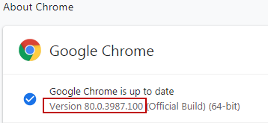
Microsoft Edge
Click on the three horizontal dots in the upper-right corner of the screen. Click on Settings, then About Microsoft Edge.
Firefox
Click on Help, then About Firefox.
Safari
Click on Help, then About Safari. | 