Instructions
Reasonable Compatibility Tool - Instructions

Overview The Reasonable Compatibility test is only performed outside of KEES in two situations: 1) The BASI quarter used by KEES does not have wages, but checking BASI manually indicates that there is an additional quarter that could be used for the RC test. 2) The Reasonable Compatibility test in KEES has failed to execute, an incident is submitted to the KEES Helpdesk and the KEES Helpdesk has instructed the user to complete the Manual RC Tool.
General Instructions Enter the Case Name and Case Number at the top of the RC Tool. The date will auto-populate with today's date. One Tool is completed for each person with wages. Enter this person's name in field: B7. Enter the Reason for the Manual RC Test.
Using the RESET Button To clear all entries and start a new calculation - press the RESET button. It is important to do this after every action so as not to accidentally re-use information from the previous case.
Instructions for: Additional BASI Quarter Available

Step 1: Review the RC Test completed by KEES > Reasonable Compatibility Test Detail page.
If the amount in the 'KDOL Monthly Income Amount' field is $0, then proceed. Note: If any amount other than $0, this means the income is not Reasonably Compatible and you must move to Tier 3 income verification.
Step 2: Enter Income information. Obtain the amount of income from the 'KEES Total Monthly Income Amount' field on the Reasonable Compatibility Test Detail page. Enter this amount in the 'Self Attestation (Monthly)' field of the RC Tool.

Step 3: Enter KDOL Information.
On the right half of the lower section is the “KDOL Calculator”.
In order to complete this section, follow the following steps.
A. Obtain all income found in the most recent full quarter in KDOL. If following all direction - this should not be the most recent prior quarter, but two quarters back. For example - if processing on 4/27/2017, KEES would have been able to pull wages from the 1st qtr 2017. But in these situations, nothing is in 1st qtr 2017, so the last full qtr that is viewable should be 4th qtr 2016. Enter the amount for all jobs in this quarter for this consumer into the RC Tool. There is no evaluation of this income, it is entered even if the job was reported to have ended, if it is a different employer than listed by the consumer, or any other factor. All income found in this quarter is entered into the worksheet.
Example: On August 15th, the most recent full quarter would be 2nd quarter.
B. Enter the quarter used in the Qtr Used for documentation purposes.
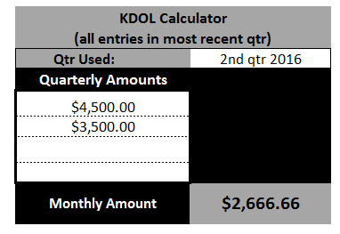

Step 4: Check for Reasonable Compatibility.
Check to see if RC standards have been met in the top section.

If the SA is reasonably compatible then use the consumer’s SA for the determination.
If not reasonably compatible, then you will need to go to Tier 3 to verify income.

Step 5: Image the RC Tool After all earnings have been entered into the Reasonable Compatibilty Tool, image the worksheet to the Journaling Document Type using ImageNow.

Instructions for: KEES Helpdesk Instructed
The KEES RC Tool failed to execute; an incident was reported to the KEES Helpdesk; and the KEES Helpdesk provided instruction to complete a Manual RC Test.
Step 1: Enter Income Information.
Obtain the amount of earned income from the 'KEES Income Detail' page. Enter this in the 'Self Attestation (Monthly)' field of the RC Tool. If multiple earned income records exist, either from multiple jobs, or earnings from wages, bonuses, tips, etc, obtain each of these amounts and enter them in the 'Multiple KEES Entries for Earnings' field of the RC Tool. Take the total and enter it in the 'Self Attestation (Monthly)' field.

Step 2: Enter KDOL Information.
On the right half of the lower section is the “KDOL Calculator”.
In order to complete this section, follow the following steps.
A. Obtain all income found in he most recent full quarter in KDOL. Enter the amount for all jobs in this quarter for this consumer into the RC Tool. There is no evaluation of this income, it is entered even if the job was reported to have ended, if it is a different employer than listed by the consumer, or any other factor. All income found in this quarter is entered into the worksheet.
Example: On August 15th, the most recent full quarter would be 2nd quarter.
B. Enter the quarter used in the Qtr Used for documentation purposes.

Step 3: Check for Reasonable Compatibility.
Check to see if RC standards have been met in the top section. If the SA is reasonably compatible then use the consumer’s SA for the determination. If not then you will need to go on to check The Work Number.

Step 4: Enter Work Number information.
Check the Work Number and see if there is information you can use. If income is found on The Work Number you will obtain all pay dates and amounts from the most recent 30 days. The calculator helps you find the last 30 days by displaying the date range based on today's date. Enter the frequency of the pay checks, check dates and gross amounts. Note: If less than 30 days of income is in The Work Number, use what is available to complete the RC test.

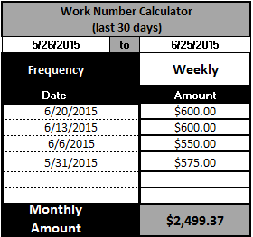

Step 5: Check for Reasonable Compatibility, again.
If the income is now found to be RC, then the consumer’s SA is used for the determination.
See the example below.

It is possible that the income will not be RC, but is verified via The Work Number in Tier 3. The RC Tool will present to you the Monthly Amount that could be used in Tier 3. If 30 days of income was available in The Work Number, you'll use Full Month Budgeting method and use the amount provided in the tool. When less than 30 days income was available in The Work Number, you'll use the Partial Month Budgeting Method. Compare the Monthly Amount in the tool to the client's self-attestation and use whichever is greater.
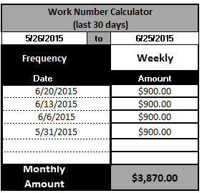

Step 6: Image the RC Tool After all earnings have been entered into the Reasonable Compatibilty Tool, image the worksheet to the Journaling Document Type using ImageNow. If Work Numbe was used, also image the results received from The Work Number.

